Sheet1
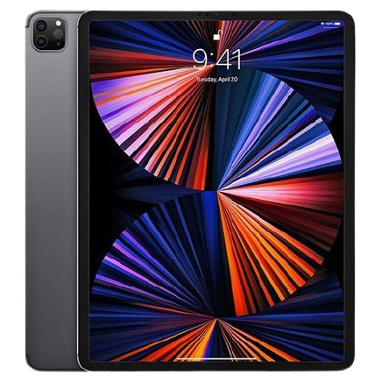

Company | Apple
Model | Apple iPad Pro 2021 | Apple iPad 2020
CPU | Apple M1 | Apple A12 Bionic
GPU | Apple M1 | Apple GPU 4-Core Graphics
RAM | 8GB | 3GB
ROM | 128GB | 32GB
Camera | 12MP(wide) + 10MP(ultrawide) + TOF 3D LIDAR scanner(depth) | 8MP(standard)
Screen | 12.9-Inch, 2.7k (2732x2048), mini-LED, 120Hz | 10.2-Inch, 2k (1620x2160), IPS, 60Hz
Battery | 10758mAh | 8827mAh
Charging | Fast charging 18W | Charging 10W
Price | RM4799.00 | RM1499.00
Address | https://technave.com/gadget/Apple-iPad-Pro-12-9-2021-Price-in-Malaysia-Specs-24418.html | https://technave.com/gadget/Apple-iPad-10-2-2020-Price-in-Malaysia-Specs-20832.html

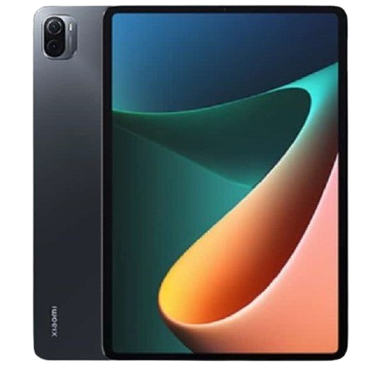
Company | Xiaomi
Model | Xiaomi Mi Pad 5 Pro | <-------- (chinese) 小米平板5 Pro 2021款
CPU | Qualcomm Snapdragon 870 | https://item.jd.com/100025029412.html | <-------- at this link find comment
GPU | Adreno 650
RAM | 6GB
ROM | 128GB
Camera | 50MP(standard) + 12MP(depth)
Screen | 11-Inch, 2k (1699x2560), IPS, 120Hz
Battery | 8720mAh
Charging | Fast charging 33W
Price | RM2099.00
Address | https://www.gsmarena.com/xiaomi_pad_5_pro-11043.php

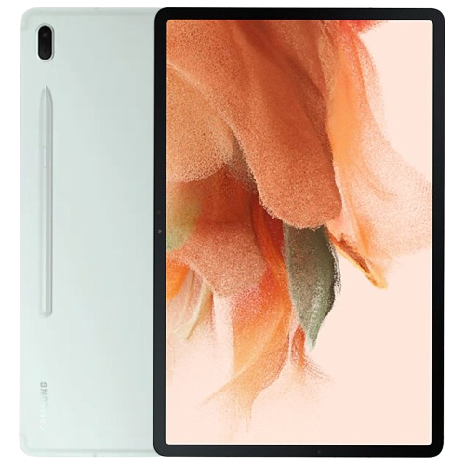
Company | Samsung
Model | Samsung Galaxy Tab S7
CPU | Qualcomm Snapdragon 865+ 5G | https://www.lazada.com.my/products/samsung-galaxy-tab-s7-wi-fi-6gb-128gb-tablet-t870-original-1-year-warranty-by-samsung-malaysia-i1381240774.html | <-------- at this link find comment
GPU | Adreno 650
RAM | 6GB
ROM | 128GB
Camera | 13MP(wide) + 5MP(ultrawide)
Screen | 11-Inch, 2k (1600x2560), LTPS TFT, 120Hz
Battery | 8000mAh
Charging | Fast charging 45W
Price | RM2599.00
Address | https://www.gsmarena.com/samsung_galaxy_tab_s7-10337.php


Company | Huawei
Model | Huawei MatePad 11 | <-------- (chinese) 华为HUAWEI MatePad 11 2021款
CPU | Qualcomm Snapdragon 865 | https://item.jd.com/100023428858.html | <-------- at this link find comment
GPU | Adreno 650
RAM | 6GB
ROM | 128GB
Camera | 13MP(standard)
Screen | 10.95-Inch, 2k (2560x1600), IPS, 120Hz
Battery | 7250mAh
Charging | Fast charging 22.5W
Price | RM1799
Address | https://www.gsmarena.com/huawei_matepad_11_(2021)-10943.php

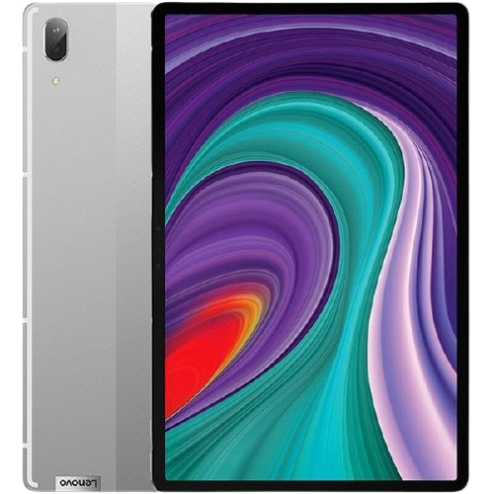
Company | Lenovo
Model | Lenovo Pad Pro | <-------- (chinese) 联想(Lenovo)小新Pad Pro
CPU | Qualcomm Snapdragon 870 5G | https://item.jd.com/100021937724.html#none | <-------- at this link find comment
GPU | Adreno 650
RAM | 6GB
ROM | 128GB
Camera | 13MP(wide) + 5MP(ultrawide)
Screen | 11.5-Inch, 2k (1600x2560), OLED, 90Hz
Battery | 8600mAh
Charging | Fast charging 20W
Price | RM2099.00
Address | https://www.gsmarena.com/lenovo_pad_pro-10925.php

